10-01 R1
CHECKER STOCK REPORT
DATE ___________10/01/2025___________
ROUTE 1 | CB | CIB | CC | CIC | C10C | HTA | PAMB | PAMC | KRB | KRC | CBC | CBB | SDB | SDC | CNB | CLC | SMZB | SMLB | SMLC | FBA

1ST LOAD
2ND LOAD

FGS RETURNED
TOTAL SALES

 | FBL | FBLY | FBAC | FBLC | FBLYC | PP | PPG | PL | PPC | RHS | RHP | RHL | RHC | RH500C | RHSL | SMFB | SMFC | GE320 | GEK | HSC
1ST LOAD
2ND LOAD

FGS RETURNED
TOTAL SALES

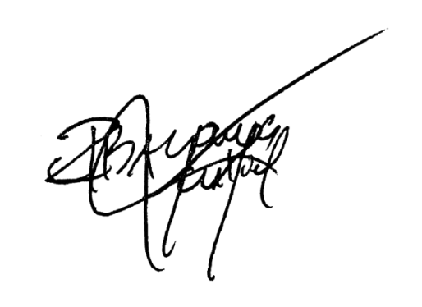
EMPTIES | PP |  |  | RHL/PL |  |  | RH5 |  |  | FBA/SML/RHS |  |  | MHT |  |  | REMARKS
 | COMPLETE | SHELL | BOTTLE | COMPLETE | SHELL | BOTTLE | COMPLETE | SHELL | BOTTLE | COMPLETE | SHELL | BOTTLE | COMPLETE | SHELL | BOTTLE
RETURNED

TOTAL |  |  |  |  |  |  |  |  |  |  |  |  |  |  |  | SIGNATURE

10-01 R2
CHECKER STOCK REPORT
DATE ___________10/01/2025___________
ROUTE 2 | CB | CIB | CC | CIC | C10C | HTA | PAMB | PAMC | KRB | KRC | CBC | CBB | SDB | SDC | CNB | CLC | SMZB | SMLB | SMLC | FBA

1ST LOAD
2ND LOAD

FGS RETURNED
TOTAL SALES

 | FBL | FBLY | FBAC | FBLC | FBLYC | PP | PPG | PL | PPC | RHS | RHP | RHL | RHC | RH500C | RHSL | SMFB | SMFC | GE320 | GEK | HSC
1ST LOAD
2ND LOAD

FGS RETURNED
TOTAL SALES

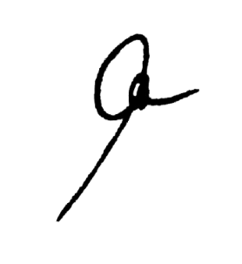
EMPTIES | PP |  |  | RHL/PL |  |  | RH5 |  |  | FBA/SML/RHS |  |  | MHT |  |  | REMARKS
 | COMPLETE | SHELL | BOTTLE | COMPLETE | SHELL | BOTTLE | COMPLETE | SHELL | BOTTLE | COMPLETE | SHELL | BOTTLE | COMPLETE | SHELL | BOTTLE
RETURNED

TOTAL |  |  |  |  |  |  |  |  |  |  |  |  |  |  |  | SIGNATURE

